Site Data Sheet
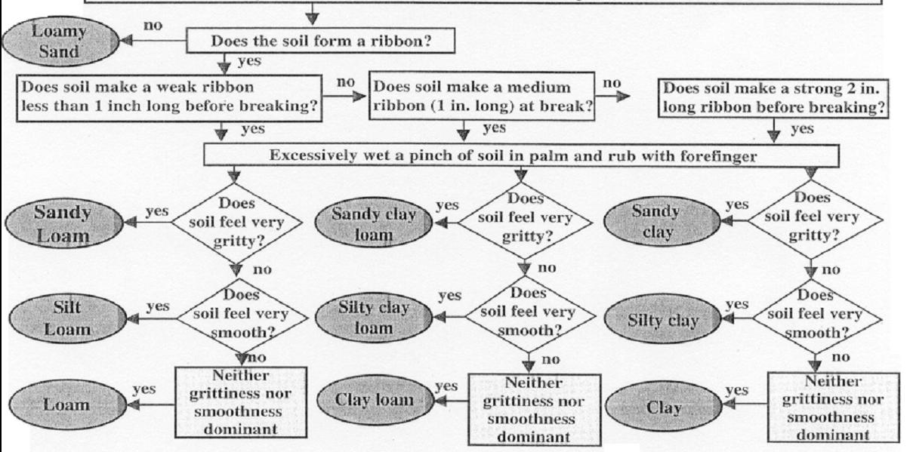
DAKOTA COUNTY SITE DATA SHEET
Surveyor(s):

Revele Name:
Purpose of releve: Classification, Site documentation, Rare species habitat, Monitoring

Date:

Ownership: | Dakota County
Vegetation:
Site:
Native Plant Community Class:
NPC Type/subtype (optional):

Community Ranking in Releve:
Stand Typical of Community:
if No, identify appropriate modifier:
Plot Location:

LOCATION INFORMATION

Latitude:
Longitude:

Permanent Marker:
Marker Placement:
Marker Type(s):
PLOT INFORMATION
Plot Size:
Elevation: _____ ft
Slope: ______ ° | or ____ %
Aspect: _____° (degree)
Topographic Context:
SOIL INFORMATION

Litter Type:
Litter Thickness: cm
Drainage Class:

Standing Water:
Thatch:
Earthworm Rapid Assessment Rank:

Drainage Class:

Height of moss hummocks: | _____ cm
Depth of standing water: (>) | _____ cm

Exposed rock: | ____ %
Rock type:

Additional Remarks:

Life Form |  |  | Height
B | Broadleaf evergreen |  | >35m | 8
D | Broadleaf deciduous |  | 20-35m | 7
E | Needleleaf evergreen |  | 10-20m | 6
G | Graminoids |  | 5-10m | 5
H | Forbs |  | 2-5m | 4
L | Lichens & mosses |  | 0.5-2m | 3
C | Climbers |  | 0.1-0.5m | 2
K | Stem succulents |  | 0-0.1m | 1
X | Epiphytes
Cover Class |  |  | Sociability
Group | CC | Species Cover | Extensive mat | 5
c | 7 | 95-100% | small colonies, broken mat | 4
c | 6 | 75-95% | large group, many plants | 3
i | 5 | 50-75% | small dense clumps | 2
p | 4 | 25-50% | growing singly | 1
r | 3 | 5-25%
b | 2 | 1-5%
a | 1 | 0-1%
Abundance
1 | <5% cover, many individuals
+ | <5% cover, few (2-20) individuals
r | <5% cover, single

